Data
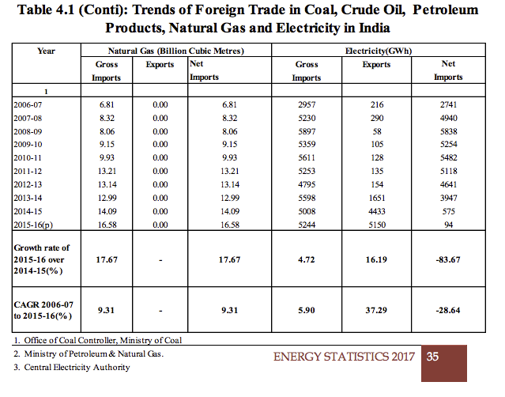
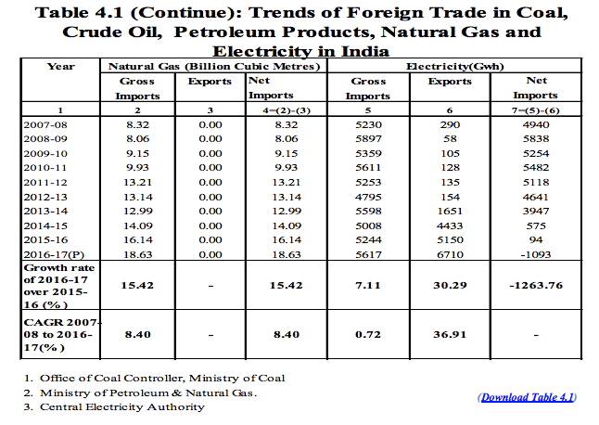
13th Plan (2021‐22) | 14th Plan (Scenario‐I /Scenario‐II | 15th Plan (Scenario‐I / Scenario‐II) | 2033-34
NR (Import) 22000 23000/22000 34000/31000 44000
WR (Export) 16000 28000/28000 30000/30000 33000
SR (Import) 19000 21000/21000 42000/42000 51000
ER (Export) 25000 30000/30000 31000/31000 35000
NER (Export) 6000 14000/14000 27000/27000 44000
Bhutan (Export) 6600 14000 26500 26500
Nepal (Export) 0 10000 20000 25000
Sri Lanka (Import) 0 500 800 1000
Bangladesh (Import) 1000 1500 2000 2000
Pakistan (Import) 0 500 800 1000

Import | 2500 | 3600 | 4000
Export | 11400 | 46500 | 51500

Electricity (GWh)
 | Gross imports | Exports
2006 | 2957 | 216
2007 | 5230 | 290
2008 | 5897 | 58
2009 | 5359 | 105
2010 | 5611 | 128
2011 | 5253 | 135
2012 | 4795 | 154
2013 | 5598 | 1651
2014 | 5008 | 4433
2015 | 5244 | 5150

 | 2006 | 2007 | 2008 | 2009 | 2010 | 2011 | 2012 | 2013 | 2014 | 2015 |  | CAGR
Imports | 2957 | 5230 | 5897 | 5359 | 5611 | 5253 | 4795 | 5598 | 5008 | 5244 |  | 5.90% |  | 1.7734190057
Exports | 216 | 290 | 58 | 105 | 128 | 135 | 154 | 1651 | 4433 | 5150 |  | 2284% |  | 23.842592593

The gross import of electricity has increased with a CAGR 5.90% during the period 2006-07 (2957 GWh) to 2015-16 (5244 GWh). Similarly, the export of electricity has increased from 216 GWh in 2006-07 to 5150 GWh in 2015-16.  There was decrease in net import of electricity during 2006-07 to 2015-16 and the CAGR for this period is (-) 28.64%
http://www.mospi.nic.in/sites/default/files/publication_reports/Energy_Statistics_2017r.pdf.pdf

 |  |  | Import | Export |  | Growth Trend (import) |  | Growth Trend (export)
13th | 2021-22 | 26500 | 2500 | 11400 |  | 4.8122389469 |  | 16.276041376
14th | 2022-27 | 50100 | 3600 | 46500
15th | 2027-2032 | 55500 | 4000 | 51500 |  | 4.5175438596

 | 2006 | 2007 | 2008 | 2009 | 2010 | 2011 | 2012 | 2013 | 2014 | 2015 | 2016 | 2017 | 2018 | 2019 | 2020 | 2021 | 2022 | 2023 | 2024 | 2025 | 2026 | 2027 | 2028 | 2029 | 2030 | 2031 | 2032 | 2033
Import | 2957 | 5230 | 5897 | 5359 | 5611 | 5253 | 4795 | 5598 | 5008 | 5244 | 5617 | 5887.3034616 | 6170.6145718 | 6467.5592894 | 6778.7936965 | 7105.0054469 | 7446.9152862 | 7805.2786439 | 8180.8873027 | 8574.5711477 | 8987.2 | 9419.6855386 | 9872.9833148 | 10348.094863 | 10846.069914 | 11368.008715 | 11915.064458 | 12488.4
Export | 216 | 290 | 58 | 105 | 128 | 135 | 154 | 1651 | 4433 | 5150 | 6710 | 7802.1223763 | 9071.9990425 | 10548.56136 | 12265.449572 | 14261.779219 | 16583.032306 | 19282.093505 | 22420.455022 | 26069.617558 | 30312.719298 | 35246.430033 | 40983.153569 | 47653.588601 | 55409.706399 | 64428.213138 | 74914.575766 | 87107.703115

The gross import of electricity has increased with a CAGR 0.72% during the period 2007-08 (5230 GWh) to 2016-17 (5617 GWh). Similarly, the export of electricity has increased from 290 GWh in 2007-08 to 6710 GWh in 2016-17.  There was decrease in net import of electricity during 2007-08 to 2016-17 and percentage decrease in 2016-17 with respect to 2015-16 is (-) 1263.76%.
http://mospi.nic.in/sites/default/files/publication_reports/Energy_Statistics_2018.pdf

